Sheet1
SubAssy | Category | Item | Thumbnail | Part Name | Part Description | Make/Buy | QTY | provided | provision notes | Comment | Vendor | Vendor URL
OPTION A | Duet2 + Duex5
Electronics | Control board | A1 |  | Duet2 | Duet2 Wifi or Duet2 Ethernet | Buy | 1 | 0 |  | Duet2 has only 5 independent stepper motor drivers. If you desire to implement the ZR Tripple motor self levelling function, you will require one additional driver. Proposed solution is to go with Duex5 expansion board. (or Duex2) | Duet3D and official ressellers. | https://duet3d.com/DuetWifi https://duet3d.com/DuetEthernet
Electronics | Control board | A2 | 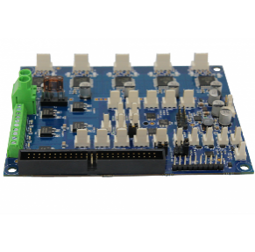 | Duex5 | Duet2 Epansion board with 5 additional drivers | Buy | 1 | 0 |  | Duet2 has only 5 independent stepper motor drivers. If you desire to implement the ZR Tripple motor self levelling function, you will require one additional driver. Proposed solution is to go with Duex5 expansion board. (or Duex2) | Duet3D and official ressellers. | https://duet3d.com/Duex5
Electronics | Control Board | OPTIONAL |  | Raspberry Pi 4 | Single board computer for Klipper | Buy | 1* | 0 |  | *Optional Although you do not absolutely require a raspberry pi to get your Duet2 running, the RPI will enable you to run Klipper Firmware instead of RRF. Read more about Klipper: https://www.klipper3d.org/ | Amazon | https://amzn.to/3n8LbKZ
OPTION B | Duet3 ( DOES NOT SUPPORT KLIPPER YET)
Electronics | Control Board | B1 | 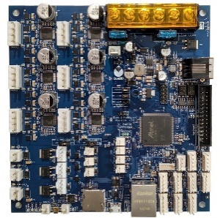 | Duet3 MainBoard 6HC | Duet 3 Control Board | Buy | 1 | 0 |  | Duet 3 has 6 independent stepper driver, which is enough to control all basis stepper from the HevORT: X, Y, Z, Z, Z and E As of Now Klipper is not supported on the Duet3 6HC board. | Duet3D and official ressellers. | https://duet3d.com/Duet3Mainboard6HC
Electronics | Control Board | B2 | 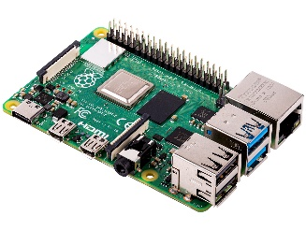 | Raspberry Pi 4 | Single board computer for Duet3 | Buy | 1* | 0 |  | *Optional Although you do not absolutely require a raspberry pi to get your Duet3 running, the RPI will provide a few interresting options; wifi, hdmi screen interface. Development and integration of other solution/option. Read more here: https://betrue3d.dk/rpi-and-duet-3-why-and-how/?fbclid=IwAR16IzLQhu4W4G6IMp81qFp3ousTRf1AjmVV-9iawk4osm4pF1tQDGAXfwg | Amazon | https://amzn.to/3n8LbKZ
OPTION C | Other Popular Boards (Recommended to use Klipper Firmware with these boards)
Electronics | Control Board | C1 | 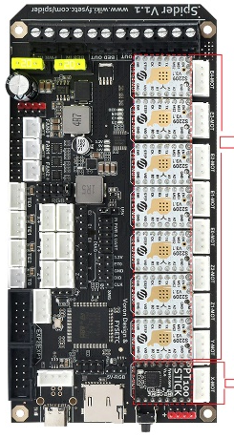 | Fysetc S6 Spider V1.1 |  |  |  | 0 |  |  |  | https://s.click.aliexpress.com/e/_9hfn54
Electronics | Control Board | C2 |  | Raspberry Pi 4 | Single board computer for Duet3 | Buy | 1* | 0 |  | *Optional Although you do not absolutely require a raspberry pi to get your control board running, the RPI will enable you to run Klipper Firmware instead of RRF or Marlin. Read more about Klipper: https://www.klipper3d.org/ | Amazon | https://amzn.to/3n8LbKZ
BASELINE
Electronics | Power Management | 3 |  | PSU 24V 350W | Recommended Meanwell LRS-350-24 | Buy | 1 | 1 | Authentic Meanwell | Any 24VDC PSU with a power rating of 300+ watt will do the job as this printer is intended to have an AC heat pad. Therefore the PSU will only provide power to the nozzle, heater, control board, fans, stepper motors, lights etc. | Amazon AliExpress Digikey Mouser | https://amzn.to/3oIbW9u
Electronics | AC Heater Pad & Control | 4 |  | 110VAC or 220VAC Silicone Heater pad | Keenovo Silicon Heat Pad using AC mains voltage |  | 1* | 0 |  | *Dimension defined in Frame Calculator: https://miragec79.github.io/HevORT/framecalculator.html **Verify with you house power grid capacity as some 500mm heaters might exceed the limit of a single breaker. | AliExpress | 300X300: https://s.click.aliexpress.com/e/_9yE4CA 400X400: https://s.click.aliexpress.com/e/_99UVxg ** 500X500: https://s.click.aliexpress.com/e/_A7JDf0
Electronics | AC Heater Pad & Control | 5 | 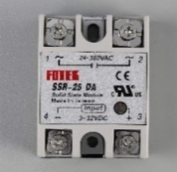 | SSR-25-DA | 25 Amp Solid State Relay. 3 - 32VDC input, 24-380VAC control | Buy | 1 | 1 | Fotek Original | Required to drive the recommended bed heat pad which uses mains power (110Vac or 220Vac). The solid state will source power from the mains and distribute to the bed as instructed by the conrol board. ***CAREFULL*** many sources claim they sell genuine Fotek. Know hoe to spot the difference: https://protosupplies.com/inferior-counterfeit-fotek-ssr-25-solid-state-relays-on-the-market/ | Amazon AliExpress Digikey Mouser | https://s.click.aliexpress.com/e/_AtyIW2
Electronics | AC Heater Pad & Control | 6 |  | SSR Heat Sink | Heat Sink for SSR | Buy | 1 | 1 | provided | SSR can develop quite a bit of heat when used with PID operation mode from the heaters. This heat sink will prevent the relay from overheating. | Amazon AliExpress Digikey Mouser | https://s.click.aliexpress.com/e/_A8RohY
Electronics | AC Heater Pad & Control | 7 |  | SSR protective cover | Plastic cover protection to avoid shocks | Buy | 1 | 1 | provided | Mains power is dangerous, keep your fingers safe and avoid contact with other components. This cover will help with that. | Amazon AliExpress Digikey Mouser | https://s.click.aliexpress.com/e/_AlBj54
Electronics | AC Heater Pad & Control | 8 | 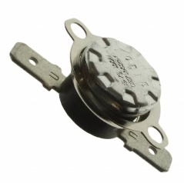 | Temperature Switch | Thermostat 150C | Buy | 1 | 1 | provided | This NC (normally closed) thermostat will open the circuit and cut the power to the bed heat pad incase the bed plate reaches over 150C. You can select other models with higher values if you intend to print with higher bed temperature. This Thermostat acts as a safety measure in case of controller or SSR fault. | DigiKey or other electronics sources | https://www.digikey.ca/en/products/detail/cantherm/CS715025Y/2195566
Electronics | AC Heater Pad & Control | 9 |  | TCO 250VAC 10A 192C | Thermal Cut-Off 192C | Buy | 1* | 1 | provided | *Optional. This thermal fuse can be added to the heat bed circuit and mounted under the bed to provide an additional level of safety against potential heater control jam. In case the Control Board, The SSR and the Thermal switch have failed to cut power to the heater pad, this device will permanently open the circuit at 192C. Its internal will melt. | DigiKey or other electronics sources | https://www.digikey.ca/en/products/detail/cantherm/SDF-DF192S/1014768
Electronics | Sensors | 10 |  | BLTouch | V2 or V3.1 | Buy | 1* | 0 |  | *Already Included into Selected Print Head BOM. It is recommended to purchase an original BLTouch from AntcLabs for better reliability and accuracy. BLTouch acts as a Z probe and also Z End Stop. It will be of great use to create the topographic map of your build surface. It is also used to perform bed self levelling. | Any good 3D printing parts store. | https://amzn.to/2IAQVhq
Electronics | Sensors | 11 |  | Optical EndStops | End Stops for X and Y | Buy | 2* | 2 | provided | *Already included into XY Axis BOM + Selected Print Head BOM | Amazon AliExpress 3D printer store | https://s.click.aliexpress.com/e/_Ad1dVk
Electronics | Wiring | 12 |  | Silicon strained wire 24AWG Gauge | General Wires for component connection | Buy | 1 kit | 0 |  | You may want to get 2 kits if your printer is bigger | Amazon | https://amzn.to/3oGDcVP
Electronics | Wiring | 13 |  | Silicon strained wire 16AWG Gauge | Power connections, Heat pad, Heater Cartridge | Buy | 1 kit | 0 |  | One kit is plenty, you may want to buy less, but I always like to have wire spool readily available when rewuired. | Amazon | https://amzn.to/3oGDcVP

